Tabelle1
RearSusLayout1
TrackWidth |  |  | 22,3cm

Camber and WheelTravel

Travel measured from center of tirepatch.

Camber and WheelTravel
Camber [°]
WheelTravel [mm]
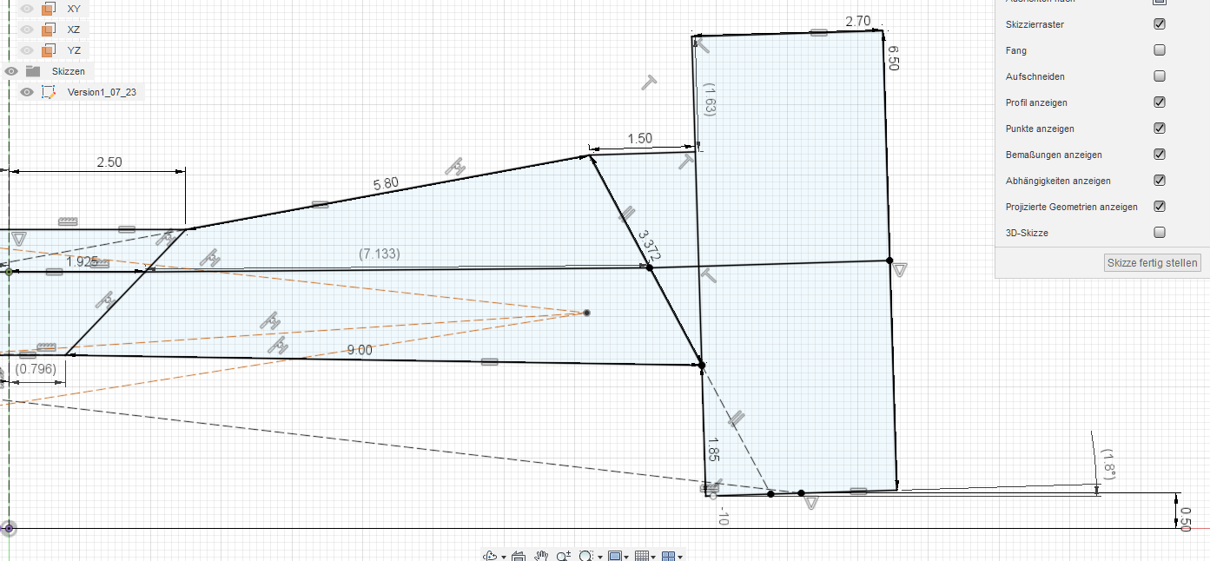
Travel measured from center of tirepatch
Travel [mm] | Camber [°]
-10 | 2.5
-9 | 2.2
-8 | 2
-7 | 1.7
-6 | 1.5
-5 | 1.2
-4 | 0.9
-3 | 0.7
-2 | 0.4
-1 | 0.1
0 | -0.2
1 | -0.5
2 | -0.8
3 | -1.1
4 | -1.4
5 | -1.8
6 | -2.1
7 | -2.4
8 | -2.7
9 | -3.1
10 | -3.4
11 | -3.8
12 | -4.1
13 | -4.5
14 | -4.9
15 | -5.3
16 | -5.6
17 | -6
18 | -6.4
19 | -6.8
20 | -7.2
21 | -7.6
22 | -8
23 | -8.4
24 | -8.9
25 | -9.3

RollCenter

RollCenter with equal L/R-Travel

RollCenterHeigth and equal L-/R-WheelTravel
Travel [mm] | RollCenterHeigth above Ground [mm]
-10 |  | 26.7
-9 |  | 25.8
-8 |  | 24.9
-7 |  | 24
-6 |  | 23.1
-5 |  | 22.2
-4 |  | 21.2
-3 |  | 20.3
-2 |  | 19.4
-1 |  | 18.5
0 |  | 17.6
1 |  | 16.7
2 |  | 15.8
3 |  | 14.9
4 |  | 14
5 |  | 13.1
6 |  | 12.2
7 |  | 11.3
8 |  | 10.4
9 |  | 9.5
10 |  | 8.5
11 |  | 7.6
12 |  | 6.7
13 |  | 5.8
14 |  | 4.9
15 |  | 4
16 |  | 3.1
17 |  | 2.2
18 |  | 1.3
19 |  | 0.4
20 |  | -0.5
21 |  | -1.4
22 |  | -2.3
23 |  | -3.2
24 |  | -4.1
25 |  | -5

RollCenter with opposite, "equal" L/R-Travel
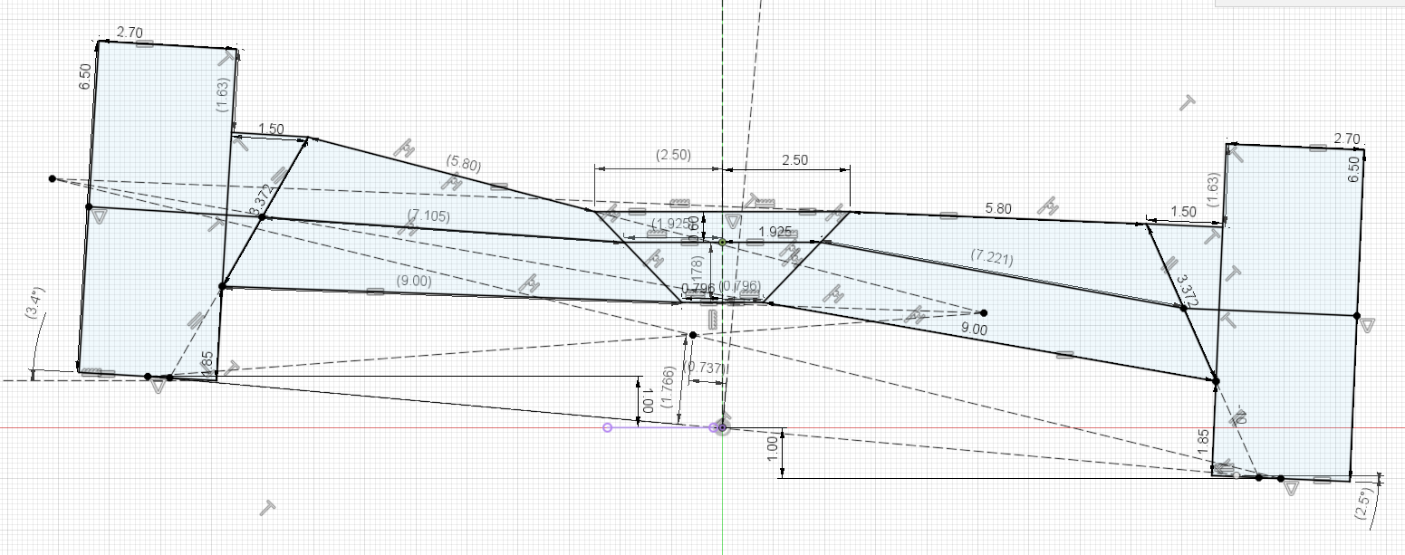
RollCenter with opposite, "equal" L/R-Travel
 |  |  |  | (RollCenter travels to left in right-handed turns)
Travel [mm] | RollCenterHeigth above Ground [mm] |  |  | RollCenterTravel L/R [mm]
1 |  | 17.6 |  |  | 0.7
2 |  | 17.6 |  |  | 1.5
3 |  | 17.6 |  |  | 2.2
4 |  | 17.6 |  |  | 3
5 |  | 17.6 |  |  | 3.7
6 |  | 17.6 |  |  | 4.4
7 |  | 17.6 |  |  | 5.2
8 |  | 17.7 |  |  | 5.9
9 |  | 17.7 |  |  | 6.6
10 |  | 17.7 |  |  | 7.4

RollCenter with LTravel = -2*RTravel
RollCenter with LTravel = -2*RTravel
 |  |  |  | (RollCenter travels to left in right-handed turns)
Travel [mm] | RollCenterHeigth above Ground [mm] |  |  | RollCenterTravel L/R [mm]
0 |  | 17.6 |  |  | 0
2 |  | 17.2 |  |  | 1.1
4 |  | 16.7 |  |  | 2.3
6 |  | 16.3 |  |  | 3.6
8 |  | 15.8 |  |  | 4.9
10 |  | 15.4 |  |  | 6.3
12 |  | 14.9 |  |  | 7.7
14 |  | 14.5 |  |  | 9.2
16 |  | 14 |  |  | 10.8
18 |  | 13.6 |  |  | 12.5
20 |  | 13.1 |  |  | 14.3

